Project K
6 | Stable velocity
5.85 | Actual velocity
31 | Forecasted Completion (Total number of days to complete) |  |  |  |  |  |  |  | Closeness to the Spirit Step by Step Breakdown
 |  |  |  |  |  |  |  |  | At the beginning of my project, I determined that the metric of successful scripture study was my attitude while reading the scriptures. I realized shortly into the project that my attitude had been the metric of my scripture study success for years, and it was a short-sighted metric for several reasons. For one, my attitude while reading the scriptures is influenced by many factors outside of my scripture study. As I realized what those outside factors were, I centered my story points around memory instead of attitude. Those are listed under step 3. Defining my study by memory instead of attitude helped me understand the sources of thoughts and feelings that distract from pondering my scripture study. The results were surprising. Journal writing, keeping apartment and car clean, listening to the tabernacle choir in the morning, returning Tupperware containers to my grandma, fulfilling my calling, putting the ice pack in the freezer the night before in order to have a cold lunch, staying in touch with all my siblings, changing the oil in my car, asking for a ministering intervew instead of being asked, and getting a much needed haircut: all of those are included in the ever-expanding list of things that have influenced my ability to find spiritual power in scripture study. I am beginning to realize longer-term factors that currently influence my daily scripture study and closeness to the spirit in general. I look forward to oragnizing unorganized matter in internship planning, dating anxiety, and time management for the summer. I can now predict many of the small and simple things that influence how close I feel to the Spirit on a daily level.
 | Burned down |  | Balance |  | Daily Completed
Day | Planned | Actual | Planned | Actual
2019-06-22 | 6 | 5 | 180 | 180 | 5
2019-06-23 | 6 | 5.5 | 174 | 174.5 | 5.5
2019-06-24 | 6 | 5 | 168 | 169.5 | 5
2019-06-25 | 6 | 4.5 | 162 | 165 | 4.5
2019-06-26 | 6 | 5 | 156 | 160 | 5
2019-06-27 | 6 | 6 | 150 | 154 | 6
2019-06-28 | 6 | 6 | 144 | 148 | 6
Burn Down Chart - Closeness to the Spirit
2019-06-29 | 6 | 6.5 | 138 | 141.5 | 6.5
2019-06-30 | 6 | 6 | 132 | 135.5 | 6
2019-07-01 | 6 | 5 | 126 | 130.5 | 5
2019-07-02 | 6 | 6 | 120 | 124.5 | 6
2019-07-03 | 6 | 6 | 114 | 118.5 | 6
2019-07-04 | 6 | 6 | 108 | 112.5 | 6
2019-07-05 | 6 | 6 | 102 | 106.5 | 6
2019-07-06 | 6 | 5 | 96 | 101.5 | 5 |  |  |  | Closeness to the Spirit Step by Step Breakdown
2019-07-07 | 6 | 6 | 90 | 95.5 | 6
2019-07-08 | 6 | 4.5 | 84 | 91 | 4.5 |  |  | 1. Story Points Calibration for Scripture Study |  | 2. Initial Milestone - Attitude while reading the scriptures
2019-07-09 | 6 | 7 | 78 | 84 | 7 |  |  | 3 | Lowest scripture study | 3 | Would rather do anything else
2019-07-10 | 6 | 6 | 72 | 78 | 6 |  |  | 4 | Below average scripture study | 4 | Difficulty focusing
2019-07-11 | 6 | 7 | 66 | 71 | 7 |  |  | 5 | Average scripture study | 5 | Able to read for 10 minutes
2019-07-12 | 6 | 3.5 | 60 | 67.5 | 3.5 |  |  | 6 | Above average scripture study | 6 | Enjoy reading for 10 minutes
2019-07-13 | 6 | 5 | 54 | 62.5 | 5 |  |  | 7 | Excellent scripture study | 7 | Hard to stop reading
2019-07-14 | 6 | 7 | 48 | 55.5 | 7
2019-07-15 | 6 | 7 | 42 | 48.5 | 7
2019-07-16 | 6 | 5 | 36 | 43.5 | 5
2019-07-17 | 6 | 6 | 30 | 37.5 | 6 |  |  | 3. "New and Interesting" Milestones - Communication with God |  |  | 4. Interdependencies influencing scripture study
2019-07-18 | 6 | 7 | 24 | 30.5 | 7 |  |  | 3 | No recollection of morning study |  | Journal Writing
2019-07-19 | 6 | 6 | 18 | 24.5 | 6 |  |  | 4 | Struggle remembering my morning study |  | Cleanliness
2019-07-20 | 6 | 7 | 12 | 17.5 | 7 |  |  | 5 | Recall verses/passages I studied in the morning |  | Uplifiting music (especially in the morning)
2019-07-21 | 6 | 7 | 6 | 10.5 | 7 |  |  | 6 | Verses/passages + insights from morning study |  | Return Tupperware containers to my grandma
2019-07-22 | 6 | 6 | 0 | 4.5 | 6 |  |  | 7 | Cannot stop thinking about morning study |  | Calling
 |  |  |  |  |  |  |  |  |  |  | Ice pack
 |  |  |  |  |  |  |  |  |  |  | Calling stepsiblings
 |  |  |  |  |  |  |  |  |  |  | Oil change
 | Interdependencies chart for Closeness to the Spirit Project |  |  |  |  |  |  |  |  |  | Ministering (intervew)
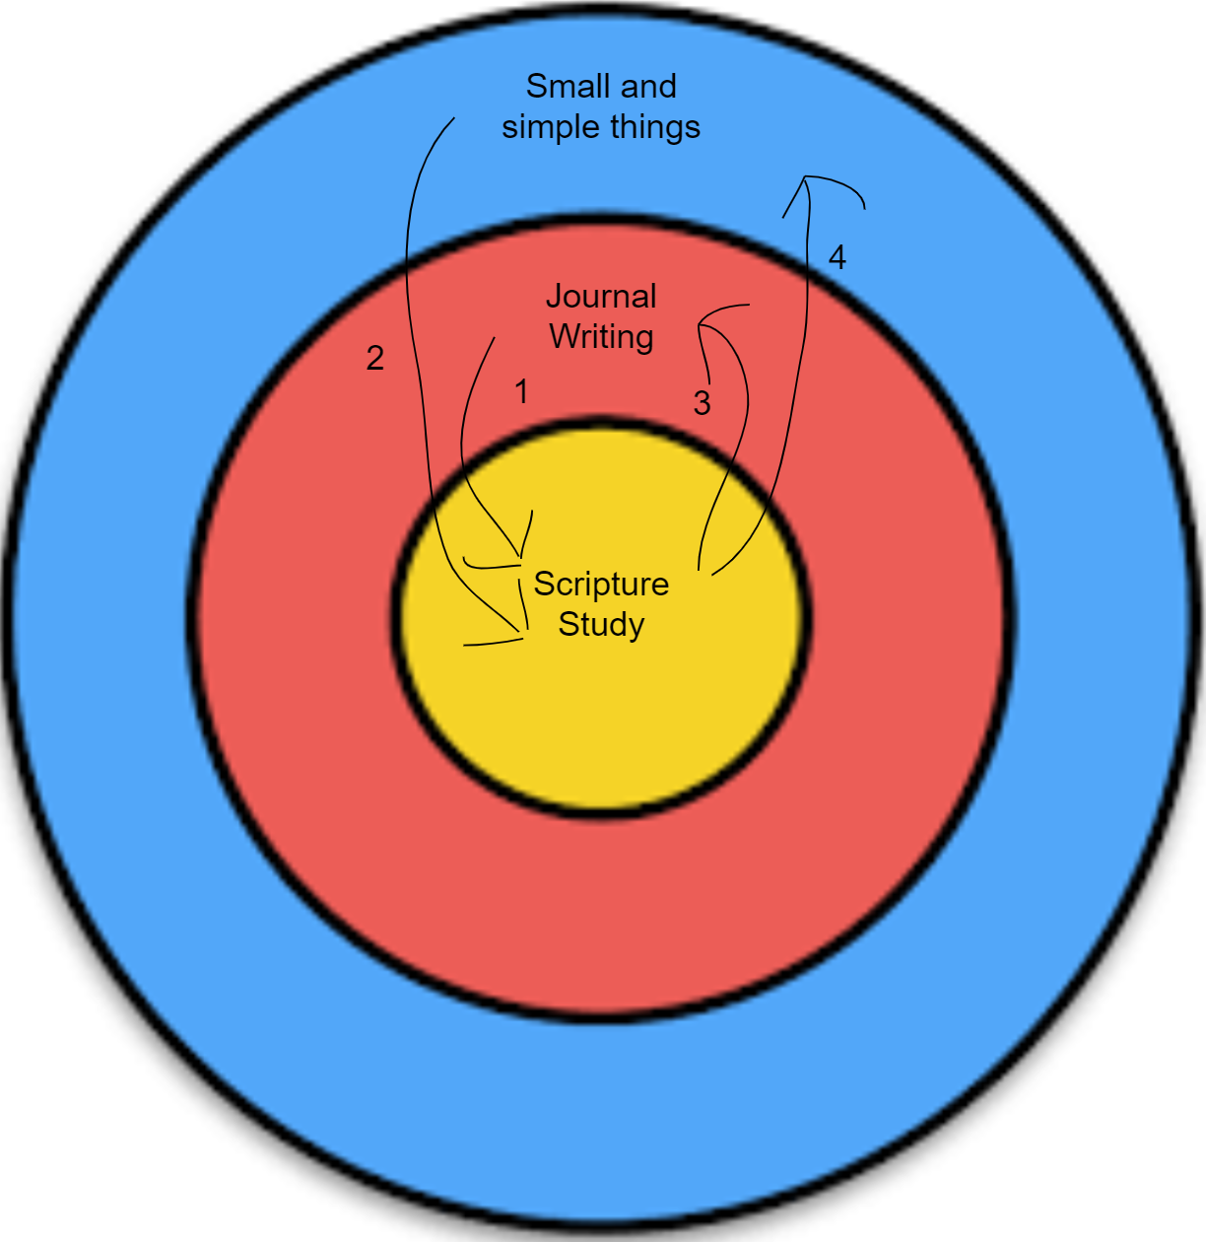
 |  |  |  |  |  |  |  |  |  |  | Haircut
 |  |  |  |  |  | 1.) | Being accountable to myself in my journal strengthened my prayers and efforts to make a meaningful scripture study.

 |  |  |  |  |  |  |  | 5. Predictable interdependencies during break |  |  | 6. Longer-term projects my daily happiness
 |  |  |  |  |  | 2.) | Small and simple things incluenced (1) my ability to focus on the study in the moment and (2) my ability to think about my study throughout the day. | Dry clean suits |  |  | Internship plans
 |  |  |  |  |  |  |  | New running shoes |  |  | Overcoming demons of the past
 |  |  |  |  |  |  |  | Cleanliness |  |  | Time management

 |  |  |  |  |  | 3.) | My ability to recount experiences from the day, gratitude for blessings, and other thoughts and insights makes a more meaningful journal entry.

 |  |  |  |  |  |  |  | 7. Burndown chart idea for future projects
 |  |  |  |  |  |  |  | Burndown charts in sprints to identify what makes a project difficult/easy (volatility)
 |  |  |  |  |  | 4.) | A more impactful scripture study fosters a stronger desire to develop a habit of removing small things that distract from impactful scripture study. | Degree of difficulty column in my burndown chart/calculations

 | Forecasted interdependencies between Closeness to the Spirit project and future projects
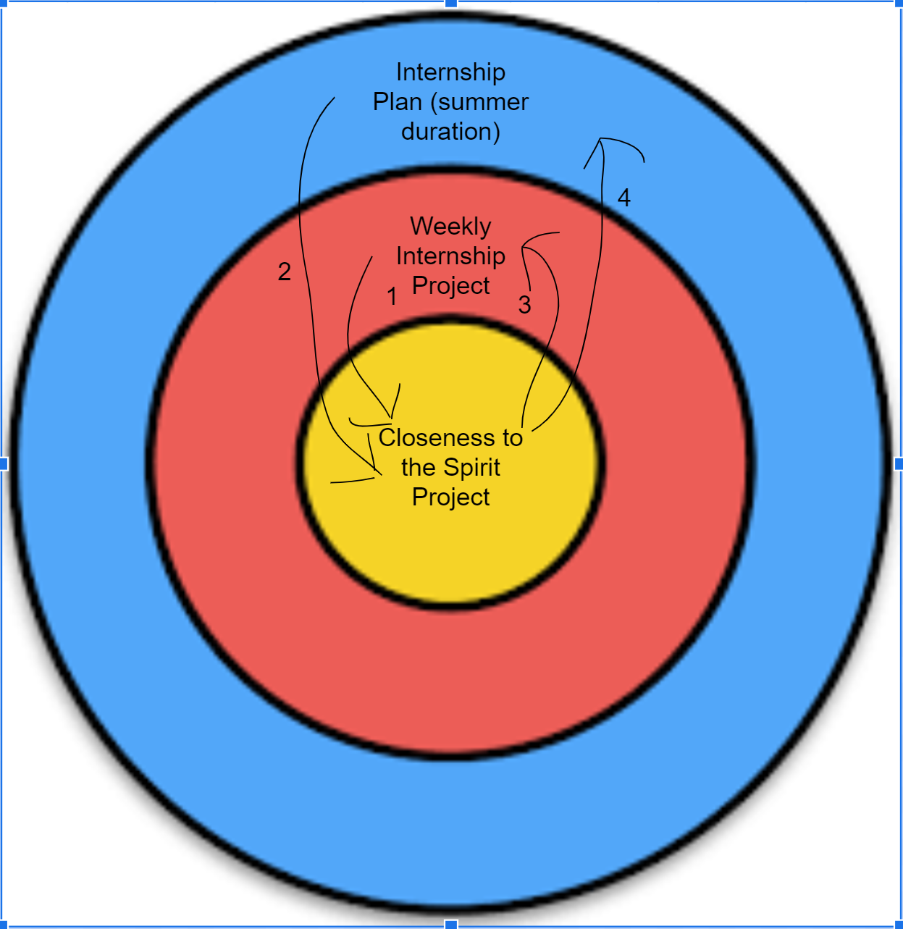
 |  |  |  |  |  | 1.) | Progressing weekly in my internship project will encourage me to continue seeking after the Spirit. It will be a work of faith that blesses my daily efforts to stay close to the Spirit.

 |  |  |  |  |  | 2.) | Seeking revelation to know what a finalized internship plan looks like requires motivation to become better - something made possible through faith-filled daily studies.

 |  |  |  |  |  | 3.) | Seeking revelation to know what milestones to choose for my weekly internship progress involves a functional, ongoing Closeness to the Spirit Project.

 |  |  |  |  |  | 4.) | Seeking revelation to know what a finalized internship plan looks like requires motivation to become better - something made possible through faith-filled daily studies.

